Spectrum Infos
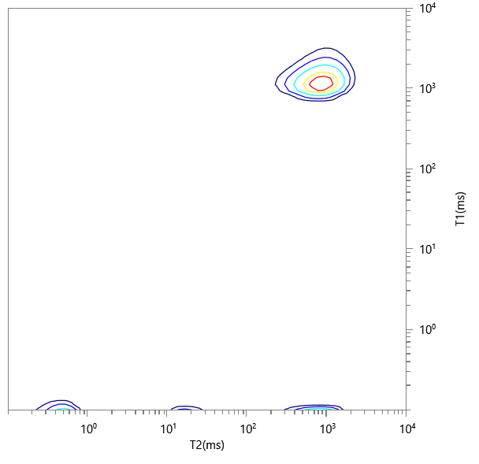
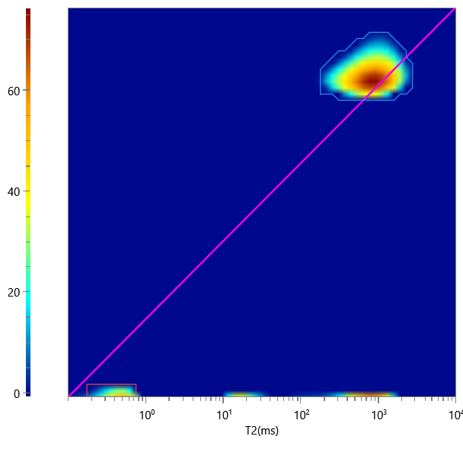
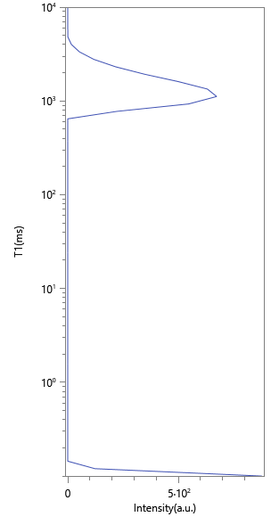
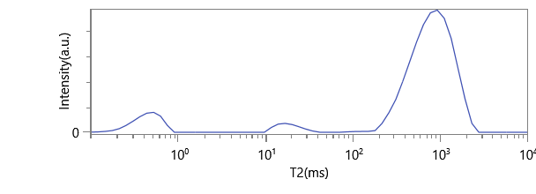
No. | ∫∫ | Content | HI | Saturation
1 | 3317.296 | 0.892 | 1 | 0.892
2 | 400.904 | 0.108 | 1 | 0.108

